Figure 46
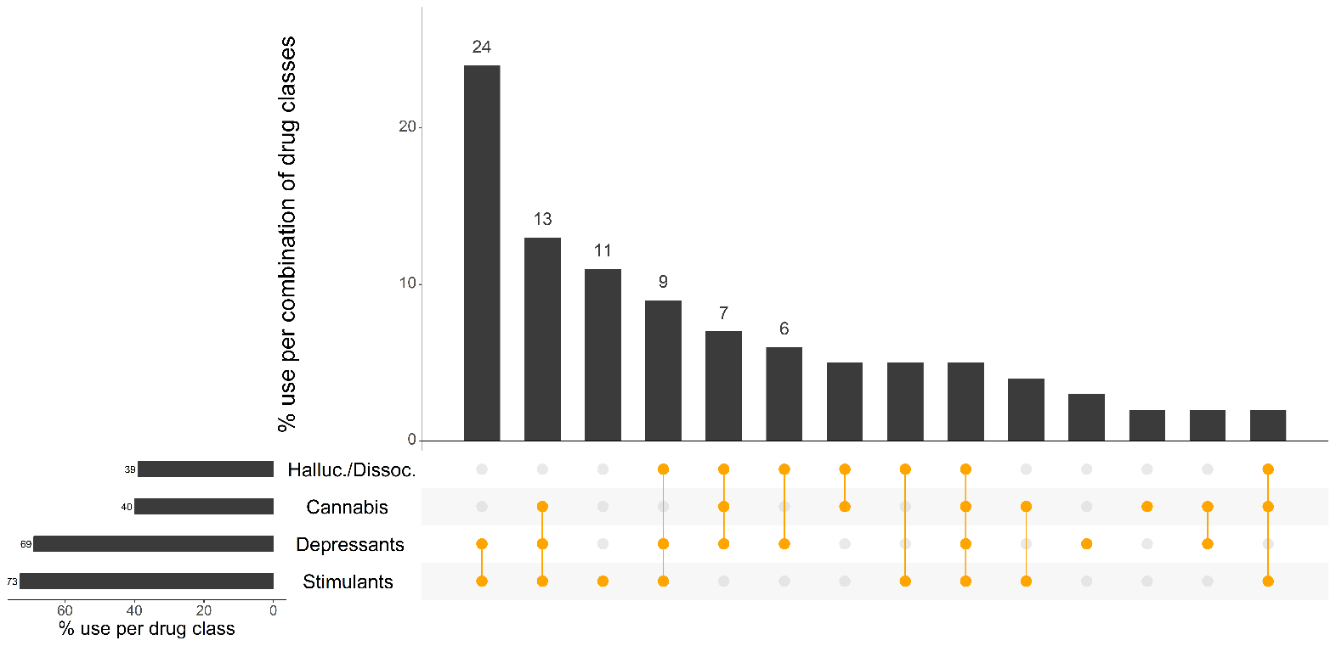
Figure 46: Use of depressants, stimulants, cannabis, hallucinogens and dissociatives on the last occasion of ecstasy or related drug use, Canberra, ACT, 2023: Most common drug pattern profiles
Column1 | Column2 | Column3 | Column4 | Column5 | Column6

Note. % calculated out of total EDRS 2023 sample. The horizontal bars represent the per cent of participants who reported use of each substance on their last occasion of ecstasy or related drug use; the vertical columns represent the per cent of participants who used the combination of drug classes represented by the orange circles. Drug use pattern profiles reported by ≤5 participants or which did not include any of the four drug classes depicted are not shown in the figure but are counted in the denominator. Halluc./Dissoc = hallucinogens/dissociatives (LSD, hallucinogenic mushrooms, amyl nitrite, DMT, ketamine and/or nitrous oxide); depressants (alcohol, GHB/GBL,1,4-BD, kava, opioids and/or benzodiazepines); stimulants (cocaine, MDA, ecstasy, methamphetamine, and/or pharmaceutical stimulants). Use of benzodiazepines, opioids and stimulants could be prescribed or non-prescribed use. Note that participants may report use of multiple substances within a class. Y axis reduced to 30% to improve visibility of trends. Data labels are suppressed where there are small numbers (i.e., n≤5 but not 0).

